PUQ3 LL Overall list
LL Serials No. | Q2 Number | Failure Mode | Picture | Supplier Name | LL Brief Description | Project/Part name | Root Cause | LL point | LL Need or not | Risk level | Classification | Case Owner | Related Material Field / Process | LL Supplier Scope | New project(PMQ) /SOP(PQT&PQA) | Distibution | Tracking back | Due Date | Complete rate | Remark
LL-2023-1001 | 200000530625 | 99.99 Wrong base material |  | KCET | Similar panel size but difference material need error prevention management in cutting process | ABS/3332AJ0193 | Similar panel size but difference material cut at the same time | 1. Syetematic separate different base material types by bar codes. | N | H |  | KCET | Cutting | All Supplier
LL-2024-0901 | 200000596419 | 02.04 Short inner Layer |  | Kinwong | copper residue boards after not washed & AOI-rescanned | IPB/3332AJ0174 | Unreasonable repair process：copper residue boards after AOI repair not washed & AOI-rescanned | copper residue after AOI repair needs 100% wash & AOI-rescan | Y | H | Supplier sharing | Kinwong | AOI-Inner layer | All Supplier
LL-2024-1201 | 200000641774 | layout change after ECR |  | Rogers | ECR change background: scribing line from CO2 change to USP+bad mark position ECR content: not mentioned bad mark and layout change information | 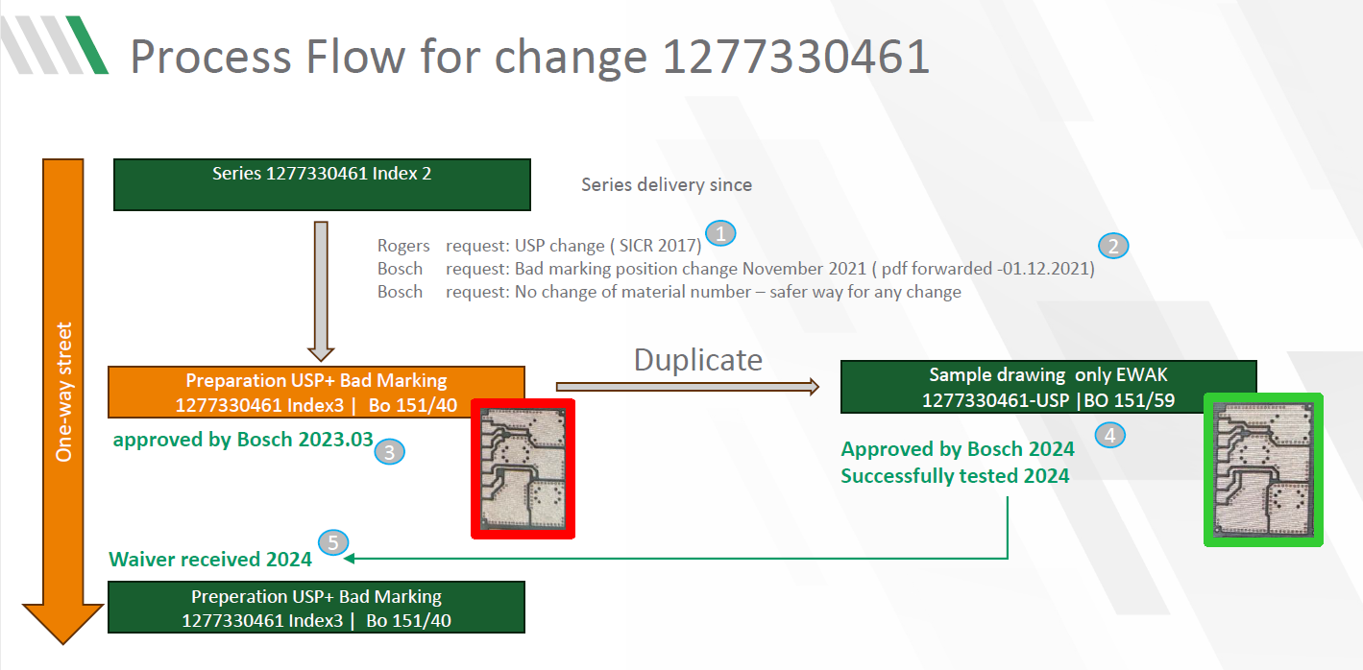 1277330461 | 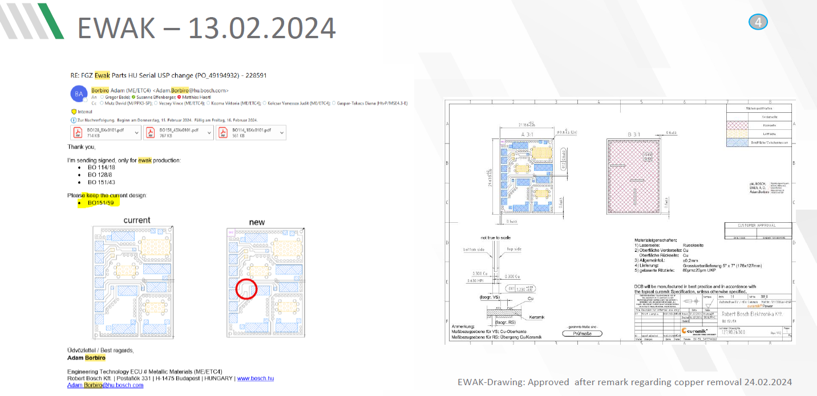 No Gerber data and no Bosch drawing have been shared with detailed layout information between Rogers and Bosch. | 1.Bosch 1.1 Bosch needs follow the standard process for drawing release or update. Both release Gerber data and drawing is mandatory.---ETC dept. 1.2 Any inventory blocks related to raw materials will cause production line stop, PUQ will escalate it at the first time---PUQ dept. 1.3 The first delivery after drawing change needs to be monitored---PUQ dept. -Inspection plan update and reset the inspection step as “inspection need” 2 .Rogers Germany 2.1 Rogers cannot accept any update requests with e-mail if Bosch ETC dept. has any doubts about drawing that it needs update. 2.2 Rogers follows the standard process of sample drawings and series PN drawings internally |  | H |  | Bosch ETC and Rogers | Bonding process |  |  | concession cover
LL-2025-0301 | 200000638752 | 07.01 Routing failure |  | Kinwong | Wrong direction during Spnl Routing | IPB/3332AJ0205 | 1.Occurrence:no fool-proof design for Spnl Routing 2.Detection:AI categorizes over-routing as false alarms | 1.Engineering design guidelines review:add fool-proof positioning pin design for Spnl Routing 2.update AI software: identify over-routing as true points and send it to the scrap area | N | H | Supplier sharing | Kinwong | Routing | All Supplier |  | Send to supplier
LL-2025-0401 | 200000646994 | 05.06 Solder mask peel off |  | Dynamci-HS | The adjustment of machine parameters has not been fully evaluated | VCU/8638.912.111 | 1.Parameter adjustment did not take into account the risks caused by pipeline design（change management Insufficient evaluation） 2.Incomplete definition of reaction plan | 1.UV temperature alarm parameter change management process 2.UV temperature alarm reaction plan study | N |  |  | Dynamci-HS | Solder mask | New Supplier
LL-2025-0402 | NA | 99.6 Fiducials |  | UMT-HS | There is no size definition on the drawing, the position is on the cutting frame, and the size control is ignored | BK2C/1038002118 |  | The production line needs to be positioned using the fiducial mark on the cutting frame. supplier need to control the fiducial marks dimensions according gerber file. | Y |  |  |  | Etching
LL-2025-0409 | 200000657330 | 99.99 “Nicks and Haloing on PCB edge” |  | Tripod | 99.99 “Nicks and Haloing on PCB edge” | DPB/PCB 3332AJ0257 | 1.No panel edge was designed mostly. 2.Had sharp edge was designed. 3.Frequently handing can cause such issue. | 1. No panel edge design but need control avoiding the nicks and haloing and scratch with sharp edges. | Y
LL--2025-0609 | NA | 06.02 Surface issues |  | Tripod | 06.02 Surface issues | ESP9.3/ 3332AJ0142 3332AJ0123 | All ESP9.3 were desgined as like this. | From ENG: All ESP9.3 were desgined as like this. Need ENG to avoid from gerber design. for current SOP parts,need ENG to inform supplier issue TQ to correct. From PMQ: 1.Check ISIR sample 2.Check TQ status with others suppliers and record. | N | M | Internal sharing | ENG | TLG/TQ
LL--2025-0610 | 200000666084 | 06.03 Dewetting |  | CMKT | 06.03 Dewetting | ESP/3332AJ0259 | 1.the root cause of 4 failure mode is "Cu" contamination 2.Clogged hose lead the less solution crystallized. result in Cu remained in high concentration and affect to solderability and tin surface problem. 3.Cu concentration in immersion tin tank system was high,crystalizer efficiency may drop and lead the Cu excessive remained in solution and remained on pad surface. | 1.Control Cu concentration in immersion tin tank NC36. 2.For clogged hose issue: a.replace the opaque pipe to transparent hose for easier to observe the precipitate or hose condition. b.operator to be turn-on the pump to feed hot water into crystallizer to cleaning remained sediment. 3.Implement the Auto dosing at NC36 4.to install flow meter at crystallizer feeding for checking the condition of feedinghose and pump whether it clogged or have feeding problem or not. 5.Alarm message and management of crystallizer unit, determine the action for each significant alarm message. | N | H | Supplier sharing | Wang Hong | Immersion tin | All Supplier
LL--2025-1006 | ‘200000693088 | 99.04 Delamination PCB | 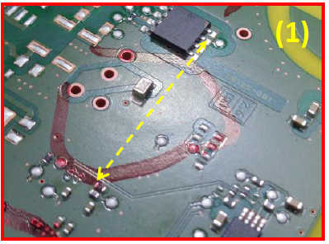 | CMKT | 99.04 Delamination PCB | ESP/3332AJ0260 | 1.Affected 240pcs PCB(trial lot)kept before packing for 2 months , high risk of PCB absorbed with the moisture and delamination is happened 2.No holding time control at package station. 3.No FMEA& CP to define potential failure mode and risk related to extended holding time. 4.No auto lock /alert system to remind the packing team 5.No separate package room for trial sample & mass production. | 1.Need define holding time control at package station. 2.Need separate package room for trial sample & mass production. | Y | H | Supplier sharing | Wang Hong | Package | All Supplier |  | Send to supplier
LL--2025-1125 | ME-CN_P_20251125038 | 05.06 Solder mask peel off |  | CMKT | Select soldering area S/M peel off | EC ECU /1038002504 | CMKT did Solder Heat Resistance test &SEM analysis &EDX analysis , Conclusion:This soldermask damages and peel off is happened due to the excessive heat accumulation at the area of Through hole assembly parts during Soldering process. So that soldermask peel off is found only in this area. We conclude that this defect is not caused by CMKT process | To check select soldering temperature whether exceed limit. | N | L | Internal sharing | Wang Hong | MOE1 Selective soldering | PUQ &MOE1 related enginneer
LL--2025-1126 |  | 01.06 Laser Via Open |  | Tripod | Via hole open | AB/3332AJ0133 | 1.Insufficient wetting hole before PTH 2.The reaction plan has not been fully defined for discrete values found in 4 wirs testing | 1.Control the flow rate of water valve in inpection section before chemical copper（PTH） tank 2.For 4 wire test should analysis the discrete values even in spec should have reaction plan. 3.Need define the pass rate limitation with early warning system (mechanisim). | Y
LL--2026-0126 | ‘200000714292 | Open |  | Tripod | Line width below the lower limit leads to abnormal resistance value |  | 1.There is no effective method definition for operator checking before production after restart. 2. 4-wire coupon test judgment process unreasonable | 1.The NG of the four line test requires the entire working panel product to be scrapped, and the information flow should be recorded by the system. After QA personnel confirm that there are no errors, other OK boards can be released. Reaction plan 2. Unknow risks PCB should be scrapped. | Y
LL--2026-0105 |  | Short |  | Kinwong | Solder Bridge | SS7/333AJ0168&169&170 | The design resist cannot meet the production safety distance requirements(It happened to other suppliers a long time ago) | From ELS&PMQ: It is necessary to solve such issue from the root and avoid requiring the supplier to cooperate in improving them. | N
LL--2026-0512 |  | 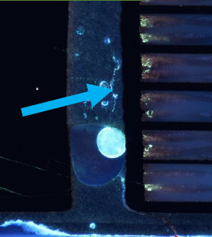 HV Test failure under HSP |  | Kinwong | HSP HV defect | DCDC/1038004343 | 1.Weak control of HSP bubbles 2.Appearance issues : Scratches and foreign particle on the surface | 1.Add HSP ink vacuum stirring+ Hold 15 minutes before use 2.Optimize handling and particle CIP improvement | Y
LL--2026-0612 | ‘200000741454 | Short |  | Tripod | Short inner layer | EL Control /3332AJ0257 | X-out and Repair process causes particle contamination or residue | Add prevention action: Add cleaning and AOI review process | Y
LL--2026-0416 | 200000729341 | Short |  | CMKT | Short inner layer | BS/3332AJ0260 | The NTR failed to document foreign-substance-induced shorts and only noted short coupon defects. This information gap resulted in X-ray sorting limited exclusively to coupon short defects, leaving PCBs with other short-circuit flaws undetected and shipped out, which caused the customer complaint. | 4. Reaction: Unknow risks PCB should be scrapped. | Y
LL--2026-0427 | 200000732168 | Shrinkage |  | CMKT | Shrinkage | BS/3332AJ0140, 3332AJ0141, 3332AJ0142, 3332AJ0254, 3332AJ241, 3332AJ0173 | 1. No compensation scaling was set in LDI data of PCB sub-B proceeded at LDI machine. 2. Scaling control value judgment is performed manually by the operator. | 1. Fix the scaling value and regist these value in LDI data. Auto-select the LDI data file by scan the P-card. 2. Implement the auto-judge or the error-proofing on the potential detection gate of Shrinkage. 3. Change Management for internal change should be fully evaluated. | N
LL--2025-1225 | 200000711239 | Hole copper thickness out of spec | 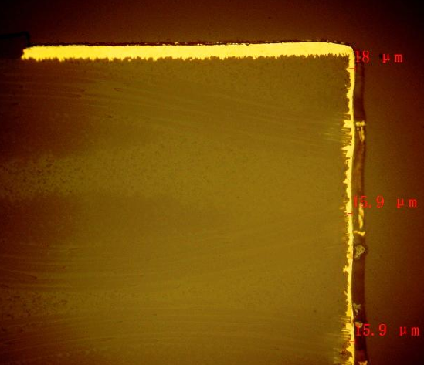 | TTM | Hole copper thickness out of spec | USS/6033MC3982 | 1.maintenance frequency for flying bar (include Gear) was insufficient. 2.at Pattern plating process, process Engineer didn't define abnormity handling procedure on how to labelling, quarantine, reaction and record for both equipment and product. 3. pattern plating PFMEA didn’t defined to how to react when detected flying bar or other malfunction failure mode with reaction. 4.AOI PFMEA didn’t define to how to react when detected one panel or more panels with poor plating and similar defects. | 1. Reation Plan: Unknow risks PCB should be scrapped. | Y
LL--2026-0515 |  | Pad size out of spec |  | CMKT | Pad size out of spec | BS/3332AJ0123, 3332AJ0241 | 1.QFP pad dimension measurement control method not compliant with Bosch specification. 2.Insufficient of management process to review and verify that the internal control method remained aligned with specifications. | The specific confirmation guideline template(Robert Bosch) will be reviewed during the new model introduction to ensure that all customer requirements are covered by the existing guideline. | N
LL--2026-0213 | 2000000640462 | Copper-filled via void |  | CMKT | Copper-filled via void | MPC3/1030.062.086 | 1. The sump tank level control was low, there was a risk that the bubbling air ratio would increase due to the effect of high stirring level(200L). 2. The Mixing tank level control position was low(450 mm.) and bubbling was likely to occur. 3. E-test can't detect such tiny void and Insufficient parameter to do inspect micro via at AOI process | 1. Plating bubble control. ( sump tank level control) 2. Need define the pass rate limitation with early warning system (mechanisim). | Y
LL-2023-0119 |  | Sunken hole | 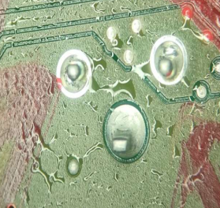 | KCE | Sunken hole | EC 1038002004/1038003151 |  | 1.Hole wall roughness is the key factor adn need special attention.
LL-2024-1028 | ‘200000614584 | solder bridge |  | Dynamic | Pad size out of spec | Global B 6002JA0351 | 1.Improper BGA pad compensation. 2.Document didn't define the measurement requirement of oval BGA length . 3.In early stage of the project, PPE did not define special compension for oval pads in BGA. | 1.Design rule require early identification of compensation and monitoring for BGA oval pads
LL-2025-1125 |  | solder bridge |  | KCEE | QFP Pad size (top) | 3332AJ0139 /3332AJ0142 | PAD (Top) size is too small: 0.166-0.174 (base width Spec: 0.2-0.25 | 1.QFP pad size (top) ≥0.200mm. 2.EPC template need add QFP pad size(top) measurement
LL-2024-0507 |  | Press Fit Force Abnormality |  | UMT-HS | Press Fit Force | BK3/1038202191 | For PCB raw material side, no deviation found. Potential RC was Higher thickness of OSP contribute lower insertion force. | OSP thickness is a direction to check press fit force after excluding hole diameter, roughness, and position of PCB side. | N
LL-2023-0217 | 200000478216 | Open Micro--via/Laservia |  | CPC | Open Micro--via/Laservia | RADAR5/1038002343 | There are microorganism in the tank of the rinse after Conditioner tank. | Suppier side needs to avoid microorganism by analysis tank enviroment and filter adding, keep monitoring the pollution in PTH tank. | Y
LL-2021-1121 | 20000386887 | Delamination |  | Tripod | Delamination | 3332AJ0142 | 1。When personnel opened the lid for sampling, the equipment transmission stopped, causing a low liquid level alarm. The product was not properly browned and the quality analysis of the problem was not identified. No containment avtion were taken. 2.The brown water absorbing sponge roller was not properly assembled after maintenance, resulting in a decrease in water absorption and incomplete drying of the product with residual moisture. | 1. The liquid level alarm requires an assessment of product quality risks, which needs to be included in the response plan and additional requirements for product aging testing (such as confirming whether there is delamination after a certain number of products in the same batch have passed the refolw * 3) 2. Standardized acceptance mechanism for equipment maintenance | Y
LL-2024-0614 |  | Delamination |  | CCTC | Delamination | Wave 3 | 1.棕化速度会直接影响棕化与B片结合力 2.新项目风险评估不完善，内部发现CTE高于datasheet之后，由于松下针对Bosch项目出具正式声明，博世认可，内部接受该材料导入博世指定的项目 3.设计指导规范不完善：未识别出风险最高的的位置或者交互区域（PTH孔，埋孔，大铜面，叠孔),按照经验重点排查BGA | 1.新项目评估发现优风险的新材料不可以量产，即使时客户要求. 2.爆板风险的识别需要从设计端开始审核确认不同因子的交互影响（PTH孔，埋孔，大铜面，叠孔）
LL-2026-0908 | 200000755553 | resistance abnormality |  | Dynamic-HS | High resistance short | EMB | 1pcs field failure of LIA EMB, which caused by glove particles in the inner layer 7. Failure mechanism: Particle fell between trace and GND on L7, forming ECM under certain environmental conditions resulting the decrease in insulation resistance. | 1.Whether there is a risk of cross contamination of particles, such as damaged gloves, during the lamination process(each inner layer), especially during the use of per lay up in materials and tooling. 2.Existing detection methods can detect the defect of insulation resistance reduction caused by non-metallic particle? | Y

X-out
LL Serials No. | Project/Part name | Failure Mode | LL Brief Description | Supplier | Root Cause | Corrective action | LL point | Classification | Case Owner | Related Material Field / Process | LL Supplier Scope | Status | Due Date | Complete rate | Remark
LL-2025-01 | Radar5 | X-out wrong | PCB Solderidge after printing, found in AXI process | ZDT | BGA pad size out of Spec:Length: Width: Actual : |  |  | Internal Introduction |  | Out layer/ Etching
LL-2025-07 | Radar5 /1038002689 | 99.01 Wrong marking of NOK-PCB | "X-out" mismatch between DMC content and physical parts 1. FA found: X-out DMC content: @B060911@ , “X” marking on location 4&15 2.sorting found:X-out DMC content:@B0609@ , “X” marking on location 6&10 X-out DMC content:@B0609@ , “X” marking on location 6&12 | Chinpoon-TW | The light source inside the DMC machine has degraded, but we failed to detect this due to verifying only the first article. | 1.We will replace the internal light source component of the machine. 2.Increase the number of first article inspections prior to DMC coding 3.Double the frequency of scanning checks. 4.We will write the X-out number on the panel protective bag. |  | Internal Introduction |  | X-OUT DMC
LL-2025-09 | MRR4/1038002622/678 | 02.99 Short "x-out" | Same supplier with same products and X-out methods shall be horizangtally expand to other PN. | UMG | X-out notching in BGA | Change X-out areaa to atenna. | 1.Same supplier with same products and X-out methods shall be horizangtally expand to other PN. 2. Clear understand the mechanism of the fundamental problem and failure in SMT. |  |  | Drilling process
Before:
long term
LL-2025-10 | ESP/3332AJ0236 | 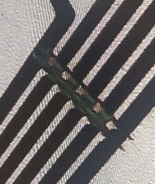 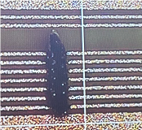 | manual cutting can cause Cu particle,so Tripod use laser cutter instead of manual cutting. | Tripod | X-out | manual cutting can cause Cu particle | Cancel the manual cutting | Internal Introduction |  | I/L AOI & O/L AOI

